Results
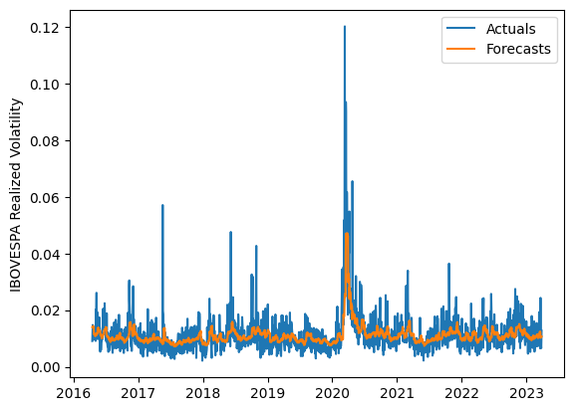
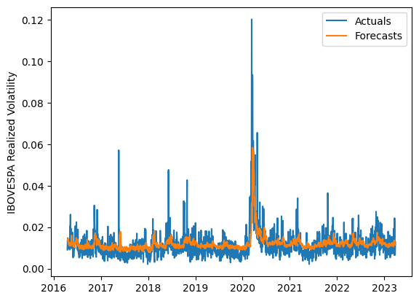
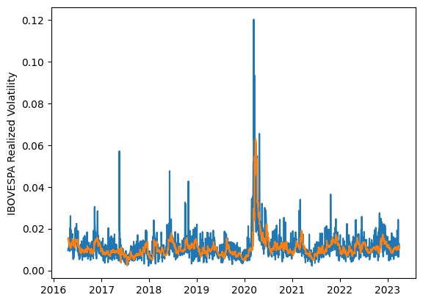
 | LSTM |  |  | TCN |  |  | NBEATSx |  |  |  |  | LSTM |  |  | TCN |  |  | NBEATSx
 | Accuracy | RMSE | Qlike | Accuracy | RMSE | Qlike | Accuracy | RMSE | Qlike |  |  | Accuracy | RMSE | Qlike | Accuracy | RMSE | Qlike | Accuracy | RMSE | Qlike
Trial 1 | 68.20% | 0.35% | 7.77% | 63.77% | 0.36% | 9.19% | 67.82% | 0.36% | 8.50% |  | Mean | 66.35% | 0.354% | 0.083 | 58.94% | 0.390% | 0.109 | 67.59% | 0.365% | 0.085
Trial 2 | 65.11% | 0.36% | 8.61% | 61.67% | 0.37% | 9.87% | 67.60% | 0.36% | 8.30% |  | Standard Deviation | 2.42% | 0.008% | 0.007 | 5.20% | 0.033% | 0.020 | 0.38% | 0.002% | 0.001
Trial 3 | 66.89% | 0.36% | 8.13% | 58.27% | 0.39% | 11.22% | 67.74% | 0.36% | 8.49% |  | 95% CI upper bound | 71.20% | 0.370% | 0.097 | 69.34% | 0.457% | 0.149 | 68.35% | 0.368% | 0.088
Trial 4 | 62.04% | 0.37% | 9.66% | 62.48% | 0.37% | 9.56% | 67.50% | 0.37% | 8.64% |  | 95% CI lower bound | 61.51% | 0.339% | 0.069 | 48.54% | 0.323% | 0.070 | 66.83% | 0.362% | 0.082
Trial 5 | 66.50% | 0.35% | 8.19% | 48.91% | 0.45% | 14.81% | 67.96% | 0.36% | 8.51% |  | 99.7% CI upper bound | 73.62% | 0.377% | 0.104 | 74.54% | 0.490% | 0.169 | 68.73% | 0.370% | 0.089
Trial 6 | 63.72% | 0.36% | 9.07% | 54.89% | 0.41% | 12.63% | 67.55% | 0.37% | 8.61% |  | 99.7% CI lower bound | 59.09% | 0.331% | 0.062 | 43.34% | 0.290% | 0.050 | 66.45% | 0.360% | 0.081
Trial 7 | 70.49% | 0.35% | 7.28% | 60.72% | 0.38% | 10.28% | 67.68% | 0.36% | 8.39%
Trial 8 | 63.24% | 0.36% | 9.24% | 60.13% | 0.38% | 10.59% | 67.46% | 0.37% | 8.51%
Trial 9 | 67.88% | 0.35% | 7.86% | 59.81% | 0.38% | 10.47% | 66.66% | 0.37% | 8.21%
Trial 10 | 68.99% | 0.35% | 7.63% | 64.02% | 0.36% | 8.96% | 66.85% | 0.37% | 8.24%
Trial 11 | 68.60% | 0.35% | 7.62% | 63.33% | 0.37% | 9.36% | 67.60% | 0.37% | 8.53%
Trial 12 | 64.05% | 0.36% | 8.99% | 60.19% | 0.38% | 10.33% | 67.74% | 0.36% | 8.58%
Trial 13 | 65.06% | 0.35% | 8.63% | 46.17% | 0.47% | 15.76% | 67.81% | 0.36% | 8.40%
Trial 14 | 68.13% | 0.35% | 7.78% | 59.13% | 0.39% | 10.83% | 68.10% | 0.36% | 8.68%
Trial 15 | 66.42% | 0.35% | 8.25% | 60.62% | 0.38% | 10.29% | 67.75% | 0.36% | 8.53%

 | LSTM (best trial) |  |  |  |  |  |  |  |  | TCN (best trial) |  |  |  |  |  |  |  |  | NBEATSx (best trial)

